external_transparent_parts
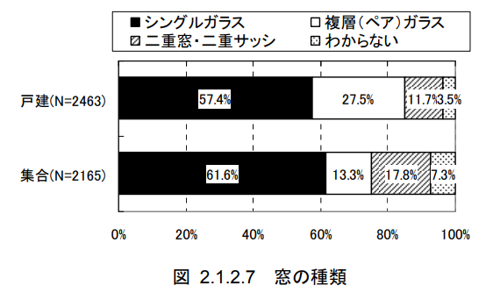
key | id | name | sub_name | room_id | area [m2] | u_value [W/m2K] | eta_value | glass | glass_area_ratio | direction | solar_shading_exist | depth [m] | d_h [m] | d_e [m]
value0 | 16 | boundary_16 |  | 0 | 14.2688 | 6.51 | 0.88 | single | 0.8 | se | FALSE
value1 | 17 | boundary_17 |  | 0 | 12.0344 | 6.51 | 0.88 | single | 0.8 | sw | FALSE
value2 | 18 | boundary_18 |  | 1 | 10.7016 | 6.51 | 0.88 | single | 0.8 | nw | FALSE
value3 | 19 | boundary_19 |  | 1 | 14.7196 | 6.51 | 0.88 | single | 0.8 | sw | FALSE
value4 | 20 | boundary_20 |  | 2 | 3.5672 | 6.51 | 0.88 | single | 0.8 | nw | FALSE
value5 | 21 | boundary_21 |  | 2 | 7.1344 | 6.51 | 0.88 | single | 0.8 | sw | FALSE
value6
value7
value8
value9
value10
value11
value12
value13
value14
value15
value16
value17
value18
value19
value20
value21
value22
value23
value24
value25
value26
value27
value28
value29

